Single Person - checkboxes
The welcome email checklist | Status | Notes | MAKE A COPY OF THIS DOC -> FILE -> MAKE A COPY
Warmly welcome them to the team | TRUE |  | You can change alternating colors for the blocks and colors for status elements under Format tab.
Include the starting date, time and location | TRUE |  | If in XLSX format you see "FALSE" in the table, select the cells, click Data in the main menu, then Data validation and change Criteria to "Checkbox."
Provide the phone number and email of their contact person | TRUE
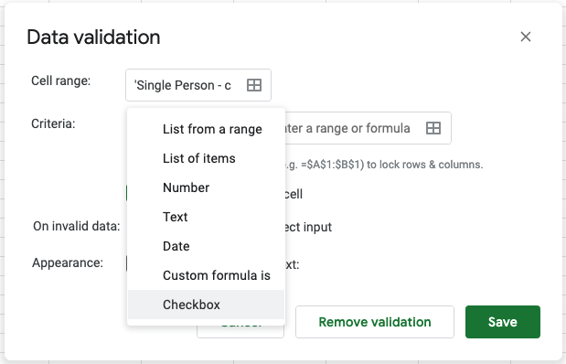
Provide a list of the documents they should bring | TRUE
Include schedule breakdown of their first day | TRUE
Explain the dress code, if there is one | TRUE
Attach your company informational documents | TRUE
Send an email to your new employee | TRUE

Pre-onboarding checklist | Status | Notes
Send out a company-wide email announcing the new hire, with their name and position | FALSE
Announce their start date, and which office they will be working from | FALSE
If possible, inform coworkers of the time and place for a meet-and-greet | FALSE
Make sure that the head of their department is prepared for the new arrival | FALSE
Define where the new employee’s workstation will be | FALSE
Order all necessary equipment | FALSE
Create their accounts in the HR system | FALSE
Create accounts, email, and other needed accounts for the new employee (prepare a full list of all services) | FALSE
Order security cards and keys | FALSE
Prepare a welcome package and place it on the workstation if possible | FALSE
Prepare HR related documents | FALSE

First day checklist | Status | Notes
Be sure to greet the new employee at the door | FALSE
Introduce the new employee to their colleagues and department | FALSE
Show the new employee their workstation | FALSE
Organize a work tour. Hit the essentials: entrances, restrooms, kitchen, common room | FALSE
Introduce the new employee’s onboarding buddy | FALSE
Ensure that they can log in to their station and all equipment is working properly | FALSE
Provide access to the learning environment, if you have one | FALSE
Provide all essential information, including guides, and rules | FALSE
Check that all credentials and accesses work | FALSE
Arrange a meeting with an employee supervisor | FALSE
Set up a welcome lunch with the new employee and their team | FALSE
If possible, have a one-to-one meeting at the end of the day | FALSE

First week checklist | Status | Notes
Organise a welcome coffee if possible | FALSE
Provide access and inform them where to find company policies | FALSE
Check that the employee has had meetings with the department head, and all key people to their role | FALSE
Check short term goals have been set | FALSE
Check that all equipment and software needs are met | FALSE
Instruct the new employee about security and fire measures | FALSE
Plan additional training if needed | FALSE
Organize and invite the new employee to participate in team-building activities | FALSE
Set a one-to-one meeting at the end of the week | FALSE
Add a new employee to the birthdays’ list to not miss it | FALSE

First month checklist | Status | Notes
Create and send a first month onboarding survey | FALSE
Set a meeting with the department head about the employee’s progress | FALSE
Set a one-to-one meeting with the employee at the end of the month | FALSE
Check the employee’s feelings about the job | FALSE
Invite the new employee to participate in activities for team members | FALSE
Plan and schedule a three month and six month survey for the employee | FALSE

